Sheet1
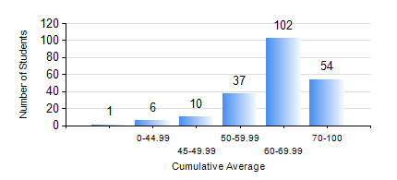
 |  |  | KWAME NKRUMAH UNIVERSITY OF SCIENCE AND TECHNOLOGY, KUMASI Department of Telecommunication Engineering

 |  |  | BSC. TELECOMMUNICATION ENG.

 |  |  | COMPREHENSIVE RECORD OF EXAMINATION RESULTS

 |  |  | RESULTS OF YEAR 1 FIRST SEMESTER, 2020/2021 ACADEMIC YEAR

 | Sn | Course Code |  | Course Name | Credit Hours | Min. Mark | Max. Mark | Avg. Mark | Std. Dev. | No. Passed | No. Trailed | No. (Df) | No. (I) | No. (I*) | No. Tagged(I,I*,Df) | Total
 | 0. |  |  |  |  |  |  | 0 | 0 | 0 | 0 | 0 | 0 | 0 | 0 | 1
 | 1. | CE 155 |  | ENVIRONMENTAL STUDIES | 2 | 0 | 90 | 68 | 11.74 | 207 | 2 | 0 | 0 | 0 | 0 | 209
 | 2. | EE 151 |  | APPLIED ELECTRICITY | 3 | 0 | 91 | 59 | 15.3 | 186 | 22 | 0 | 1 | 0 | 1 | 209
 | 3. | EE 153 |  | ENGINEERING TECHNOLOGY | 2 | 0 | 97 | 81 | 13.68 | 205 | 4 | 0 | 0 | 0 | 0 | 209
 | 4. | ENGL 157 |  | COMMUNICATION SKILLS I | 2 | 0 | 84 | 69 | 10.07 | 206 | 2 | 0 | 1 | 0 | 1 | 209
 | 5. | MATH 151 |  | ALGEBRA | 4 | 0 | 96 | 64 | 14.6 | 202 | 6 | 0 | 1 | 0 | 1 | 209
 | 6. | ME 159 |  | TECHNICAL DRAWING | 2 | 0 | 86 | 63 | 13.7 | 201 | 8 | 0 | 0 | 0 | 0 | 209
 | 7. | ME 161 |  | BASIC MECHANICS | 3 | 0 | 85 | 52 | 12.42 | 197 | 11 | 0 | 1 | 0 | 1 | 209

